Introduction
Agile Readiness Checker |  | powered by Jenny Wetzig, IBM Deutschland GmbH

1. Purpose:

The Agile Readiness Checker was created as part of the Masterthesis: "APPLICATION OF AGILE SOFTWARE DEVELOPMENT METHODS IN SAP IMPLEMENTATION PROJECTS WITH GLOBALLY DISTRIBUTED TEAMS". (30.06.2014) The Masterthesis contains a detailed description of nine criteria for the application of agile software development methods for SAP implementation projects with globally distributed teams. On the basis of these criteria the author creates a model to assess to which extent a project of this form is ready to implement agile methodology.

2. General Instructions:

In order to evaluate the degree of prerequisites for agility, each criteria will be approached with different indicators. (see sheet "Agile Readiness Checker") Each indicator is illustrated with a scale. According to the different statements on the scale, it has to be evaluated and exactly 1 position estimated on the horizontal line, which fits best to the project’s situation. Of course, there is not a black-or-white decision. Software development has many facets and there will be overlaps. The idea is to make a tendency more tangible.

Example Assessment

Judgment

Based on the varying degree of each indicator one of the following consequences can be derived:

• Status red: | It makes no sense, respectively there are restriction which prevent the application of agile methodologies for the criteria.
• Status yellow: | The project situation for a criteria is not appropriate for comprehensive agile methodology yet, but it is possible to make use of mitigations to overcome the issues.
• Status green: | The project situation for a criteria is suitable for agile methodology.

Regardless of the extent of prerequisites for the application of agile methodology, the framework has to be tailored for each specific organization for a successful application of agile approaches in a project. For criteria in status yellow, mitigations have to be applied in order to ensure a beneficial use of the agile methodology. Starting points for mitigations can be found in the corresponding Masterthesis.
In case the overall status contradicts the application of agile the usage of a hybrid (mixture of agile and traditional practices), parallel (according to topic agile or traditional delivery) or traditional delivery models methodology should be considered.
The following process depicts the mentioned procedure for the decision about a delivery model for a project.
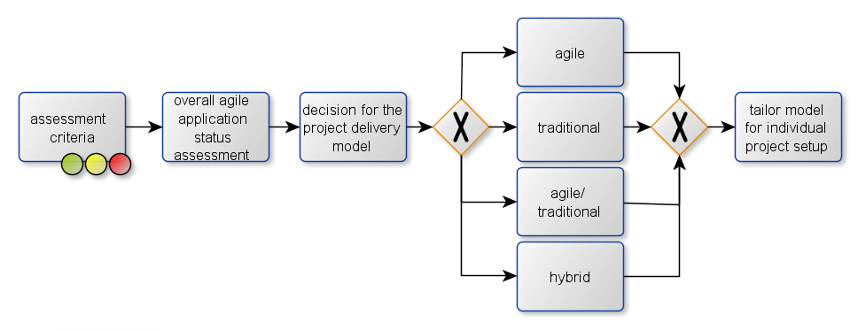

There is no black and white decision when exactly a project is agile. For sure it is barely possible to have a 100 percent agile project. But in order to setup a successful agile project a clear structured kernel of agility approaches like iterative development, team spirit and integration cycles are essential.

Sheet Protection Passwort: system

Agile Readiness Checker
Agile Readiness Assessment
Overview
 | green yellow red
 | 0
 | 0
 | 0
Status: | not all indicators assessed |  |  |  | • Status red: It makes no sense, respectively there are restriction which prevent the application of agile methodologies for the criteria.
Progress Assessment: | 0
 |  |  |  |  | • Status yellow: The project situation for a criteria is not appropriate for comprehensive agile methodology yet, but it is possible to make use of mitigations to overcome the issues.

 |  |  |  |  | • Status green: The project situation for a criteria is suitable for agile methodology.

Team Size |  |  |  |  |  |  | not all indicators assessed
 |  | <2 teams | =2 teams | >= 2 teams
 | • Project has less than two Scrum teams. (1 Team ~10 members) |  |  |  | • Project has more than two Scrum teams. | FALSE

Team distribution |  |  |  |  |  |  | not all indicators assessed
 |  | within walking distance | visit via car | visit via flight
 | • The team members are working together at one location. |  |  |  | • The project underlies a high spatial distribution. | FALSE

 |  | one time zone | partially overlapping work hours | no overlapping work hours
 | • No temporal dispersion. |  |  |  | • High temporal dispersion. (no overlapping work hours) | FALSE

Requirements |  |  |  |  |  |  | not all indicators assessed
 | • Volatility of requirments is high. |  |  |  | • Requirements sustainable. • No changes of scope foreseenable during project. | FALSE

 | • Requirements are hard to define. |  |  |  | • Requirements are defined & set. (e.g. poss.prototype, valid documentation of architecture and use cases) | FALSE

 | • Incremental development of the product is possible. |  |  |  | • Incremental development of the product is not possible. | FALSE

Time |  |  |  |  |  |  | not all indicators assessed
 | • Continuous integration of product increments into production system possible. |  |  |  | • Need to produce entire product before release is possible. • Release windows are restricted. | FALSE

 | • Rough milestones are defined. • No detailed project schedule needed. |  |  |  | • Detailed schedule needed at the beginning of the project. | FALSE

Method knowhow |  |  |  |  |  |  | not all indicators assessed
 | • The team members have already experience with the usage of agile methods. |  |  |  | • The team members have no experienced with agile methodology. | FALSE

 | • Agile training will be provided within the project organization |  |  |  | • It is no agile training available for the project organization. | FALSE

 | • The team members of the project worked already together. |  |  |  | • The team members do not know each other. • Initial team setup. | FALSE

Development landscape |  |  |  |  |  |  | not all indicators assessed
 |  | High degree freedom of develop. | restricted freedom of develop. | Developm. build on Legacy System/ strong product standards
 | • Greenfield system. |  |  |  | • Brownfield system. | FALSE

 |  | e.g. Video conf.,Telep.,Dev.Tracker/ Monitoring | Restricted means for collabr./communic. | No appropriate means.
 | • It is a appropriate tooling for collaboration and communication available. |  |  |  | • No appropriate tooling for strong collaboration and communication available. | FALSE

Type of software deliverable |  |  |  |  |  |  | not all indicators assessed

 | • Solution is characterised as invention. |  |  |  | • Solution is characterised as improvement respectively as implementation of existing solution from scratch. | FALSE

Contractural design |  |  |  |  |  |  | not all indicators assessed
 |  | Agile methods considered in contract | Traditional contract forms with consid.agile methods (e.g. Scope Governance, Buffer) | Agile methods not considered in contract
 | • Agile contracts forms applicable within organization. (e.g. not complete predefined scope in contract) |  |  |  | • Customer demand for an tradional fix price contract. | FALSE

Company Culture |  |  |  |  |  |  | not all indicators assessed
 | • Executive sponsorship and understanding of agile framework is available. (e.g. Support Roles like Scrum Master, Scope Governance, Gradual Refinement Requi.) |  |  |  | • Management does not support agile framework. • Rigid corporate culture. | FALSE

 | • The Scrum team is empowered to make decisions by their own (e.g. poss. Scope Governance, Task Allocat.) |  |  |  | • Existence of strong bureaucracy & approval chains for decisions. • Scrum team is not empowered to make decision. | FALSE

 | • Strong customer involvement. • Shared responsibility for project success between service requester and provider. |  |  |  | • Refusal of collaboration by customer. • No ownership of customer. | FALSE

